Normal Distribution
Simulate Data in Google Sheets |  |  | Proportion%
Empirical Rules |  | +/- 1SD | 68.2
 |  | +/- 2SD | 95
 |  | +/- 3SD | 99.7

211.3 | MEAN | 198.9 |  | TRUE
206.9 | SD | 13.6 |  | %Proportion
224.3 | +/- 1SD | 185.3 | 212.5 | 73.00%
178.7 | +/- 2SD | 171.8 | 226.1 | 93.00%
157.8 | +/- 3SD | 158.2 | 239.6 | 99.00%
199.9 |  | Lower Bound | Upper Bound
192.5
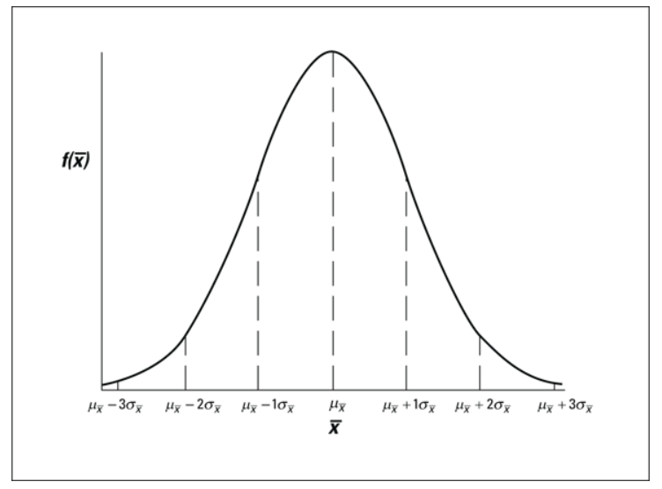
187.4
186.7
182.5
196.0
216.5
204.4
193.2
214.0
193.1
203.9
215.2
188.9
197.9
213.0
198.0
208.5
209.5
181.5
200.9
186.9
218.9
189.9
215.2
192.7
199.3
193.1
178.7
197.8
206.0
227.9
212.3
180.8
226.4
204.4
212.0
203.1
202.3
195.4
205.3
228.6
196.9
193.0
204.6
206.0
196.6
202.4
192.5
199.3
200.3
198.4
194.8
185.6
209.2
193.8
193.5
187.7
210.4
205.2
200.4
196.9
208.8
171.5
193.0
206.7
163.9
185.9
221.7
205.8
200.4
225.3
188.3
198.3
184.0
203.7
211.7
216.2
189.0
177.5
211.9
196.9
206.0
170.2
192.5
189.2
202.5
191.2
180.8
187.3
218.4
184.9
190.9
202.2
207.5

Confidence Interval

We want to estimate Rating of TENET film among those who have watched it this year.

 | Rating
 | 7.5 | Mean | 7.606
 | 8.0 | SD | 0.7279646626
 | 6.8 | N | 50
 | 8.1
 | 7.4 | Confidence Level | Confidence interval
 | 7.8 | 95% | Lower Bound | Upper Bound
 | 8.5 |  | 7.404 | 7.808
 | 8.4 |  | 7.404 | 7.808
 | 8.7
 | 8.3 | Margin Error | 0.2018
 | 7.5
 | 6.8 | SE | 0.1029
 | 8.7 | Margin Error | 0.2018
 | 7.4
 | 6.2
 | 9.0
 | 7.3
 | 7.0
 | 5.7
 | 6.9
 | 7.8
 | 7.2
 | 8.3
 | 6.8
 | 7.5
 | 7.5
 | 5.7
 | 7.9
 | 8.6
 | 7.9
 | 7.0
 | 8.5
 | 7.2
 | 7.2
 | 8.3
 | 7.8
 | 7.6
 | 7.3
 | 6.9
 | 8.2
 | 8.2
 | 8.2
 | 8.0
 | 7.5
 | 7.3
 | 7.7
 | 8.2
 | 6.7
 | 7.4
 | 7.8

Paired T-Test

 |  |  |  |  | Paired T-test
 |  |  |  |  | ใช้เทียบค่าเฉลี่ยของคน 2 กลุ่ม ซึ่ง คนใน 2 กลุ่มนี้เป็นคนๆเดียวกัน แต่ทำคนละช่วงเวลา
 |  | One month of special training

 | Before |  |  | After
Mean | 65 |  | Mean | 72
SD | 5 |  | SD | 3

Student_ID | Before | After | DIFF
1 | 58.3 | 75.8 | 17.5
2 | 62.7 | 72.4 | 9.7 |  | Paired T-Test | ไม่ต้องทำ F-Test
3 | 68.7 | 70.1 | 1.4
4 | 54.7 | 72.7 | 17.9 |  | Test equality of means
5 | 66.4 | 72.8 | 6.4 |  | T.Test (P-value) | Reject H0
6 | 66.6 | 68.3 | 1.7
7 | 63.4 | 71.5 | 8.2 |  | AVG_DIFF | 7.33431585
8 | 56.3 | 65.5 | 9.2 |  | TRUE
9 | 66.7 | 70.4 | 3.7
10 | 69.8 | 73.0 | 3.2 |  | H0: mean before = mean After
11 | 65.3 | 70.8 | 5.5 |  | H1: mean before != mean After
12 | 75.9 | 71.9 | -4.0 |  | If p-value <= 0.05, Reject H0
13 | 60.4 | 72.6 | 12.2
14 | 68.9 | 72.1 | 3.2
15 | 69.0 | 68.5 | -0.5
16 | 58.6 | 70.3 | 11.7
17 | 61.6 | 75.0 | 13.4
18 | 65.8 | 77.0 | 11.2
19 | 55.1 | 70.1 | 15.0
20 | 72.2 | 71.5 | -0.7
21 | 73.4 | 73.3 | -0.1
22 | 59.3 | 67.8 | 8.6
23 | 65.7 | 70.3 | 4.6
24 | 67.5 | 71.8 | 4.3
25 | 62.1 | 69.9 | 7.9
26 | 54.7 | 68.7 | 14.0
27 | 58.2 | 69.3 | 11.1
28 | 79.1 | 72.7 | -6.4
29 | 67.8 | 67.4 | -0.4
30 | 53.9 | 72.3 | 18.4
31 | 75.6 | 67.2 | -8.3
32 | 65.9 | 72.1 | 6.2
33 | 69.8 | 69.4 | -0.4
34 | 59.8 | 69.7 | 10.0
35 | 58.0 | 78.7 | 20.7
36 | 55.9 | 78.6 | 22.7
37 | 69.0 | 66.9 | -2.1
38 | 62.6 | 67.1 | 4.5
39 | 63.2 | 71.2 | 8.0
40 | 53.4 | 71.0 | 17.6
41 | 59.7 | 64.8 | 5.0
42 | 59.8 | 69.3 | 9.5
43 | 57.8 | 74.5 | 16.7
44 | 56.6 | 71.1 | 14.5
45 | 72.2 | 72.5 | 0.3
46 | 67.8 | 73.6 | 5.8
47 | 65.8 | 70.2 | 4.4
48 | 63.2 | 72.0 | 8.8
49 | 69.1 | 72.6 | 3.5
50 | 60.8 | 72.3 | 11.5

